Certification
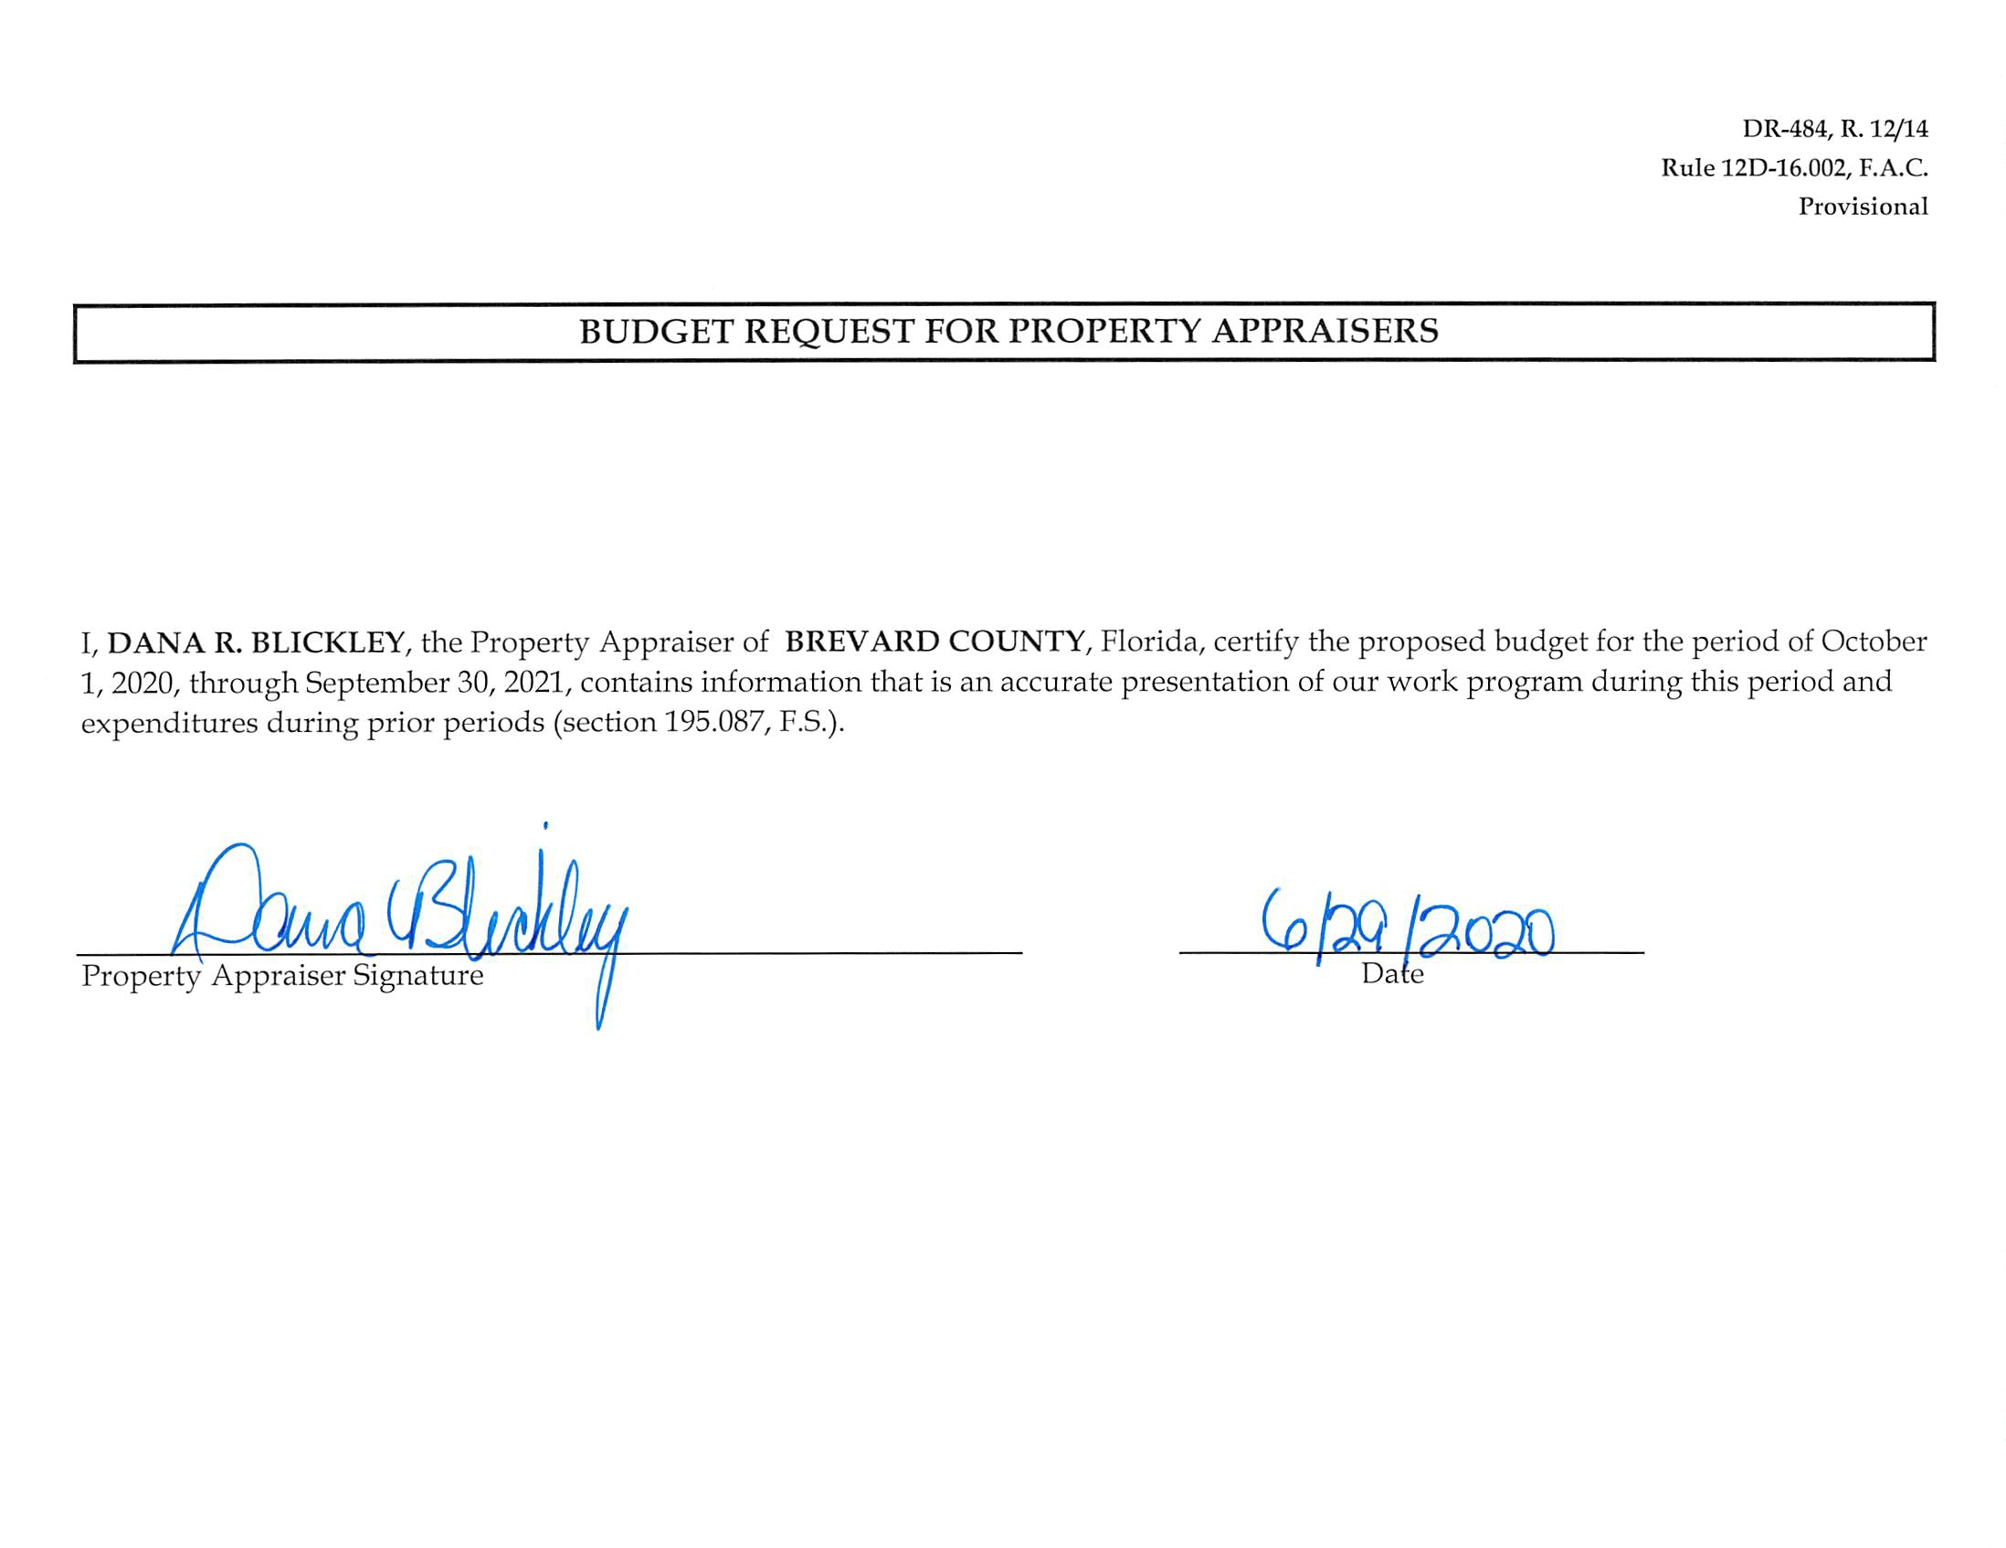
DR-484, R. 12/14
Rule 12D-16.002, F.A.C.
Provisional

BUDGET REQUEST FOR PROPERTY APPRAISERS
I, DANA R. BLICKLEY, the Property Appraiser of BREVARD COUNTY, Florida, certify the proposed budget for the period of October 1, 2020, through September 30, 2021, contains information that is an accurate presentation of our work program during this period and expenditures during prior periods (section 195.087, F.S.).
_____________________________________________________________________ ________________________________________
Property Appraiser Signature Date

